HLD
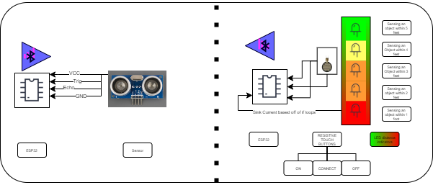

 |  |  |  |  | Hardware |  | Software
 |  |  |  |  |  | Magnetic plate for transmitter |  | setup code for initialization
 |  |  |  |  |  | Capacitive buttons |  | loop code for distance values
 |  |  |  |  |  | Leds |  | loop code for turning on and off
 |  |  |  |  |  | ESP32 pin out ( Transmitter + receiver ) |  | loop code bluetooth connection
 |  |  |  |  |  | Enclosure |  | loop code for adc conversion
 |  |  |  |  |  |  |  | loop code for decoding bluetooth
 |  |  |  |  |  |  |  | loop code for transmitting information over bluetooth

Transmitter |  | Unknown |  | Receiver
 | The distance measure will measure distance | how is measuring device setup | Part of Git hub repository /under how the measuring device works
 | The ESP32 will take said distance using adc pins | how do we call adc pins | Part of Git hub repository /under how the measuring device works
 | The ESP32 will take samples every 5 milliseconds | how fast can we send samples/should we store samples | looking more like 60 ms is going to be our target
 | the esp32 will transmit value over bluetooth | how is bluetooth generated and how do we know how fast it'll get there
 | Repeat

